802.18 Cover
Radio Regulatory TAG
Interim | IEEE 802.18 RR TAG | Interim
R0 |  | R0

 | 18 - 21 January, 2016
 | Interim

 | Hyatt Regency Atlanta, GA USA

 | Michael Lynch, Chair

 | http://www.ieee802.org/18

Other-Notices
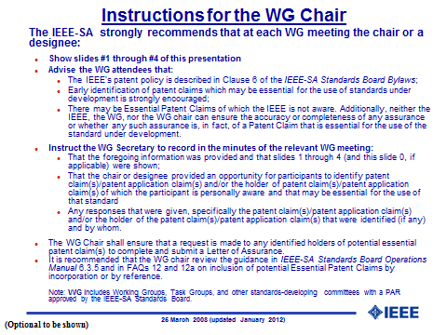
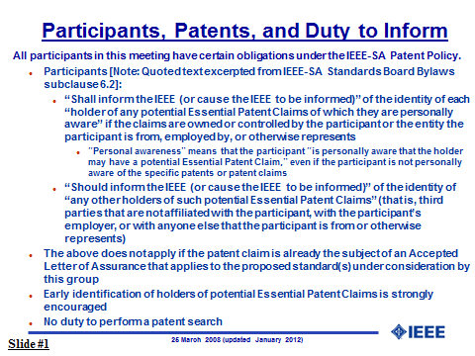
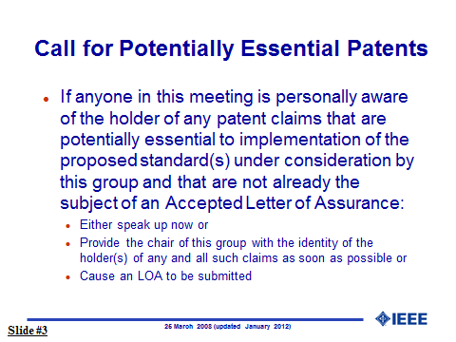
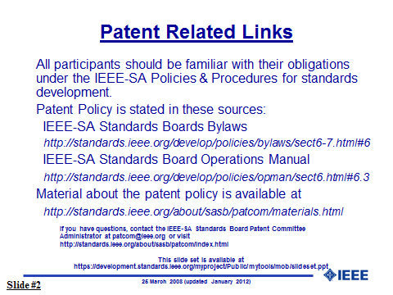
Other Required Notices

IEEE-SA PATENT POLICY AND INAPPROPRIATE TOPICS FOR DISCUSSION
IEEE-SA LETTERS OF ASSURANCE (LOA)
 | http://standards.ieee.org/about/sasb/patcom/materials.html
 | (note: updated March 2015)

Affiliation FAQ
http://standards.ieee.org/faqs/affiliationFAQ.html

Ethics
http://www.ieee.org/portal/cms_docs/about/CoE_poster.pdf

Other Guidelines:
All IEEE-SA standards meetings shall be conducted in compliance with all applicable laws, including antitrust and competition laws.
Don’t discuss the interpretation, validity, or essentiality of patents/patent claims.
Don’t discuss specific license rates, terms, or conditions.
Relative costs, including licensing costs of essential patent claims, of different technical approaches may be discussed in standards development meetings.
Technical considerations remain primary focus
Don’t discuss or engage in the fixing of product prices, allocation of customers, or division of sales markets.
Don’t discuss the status or substance of ongoing or threatened litigation.
Don’t be silent if inappropriate topics are discussed… do formally object.
---------------------------------------------------------------
If you have questions, contact the IEEE-SA Standards Board Patent Committee Administrator at patcom@ieee.org or visit http://standards.ieee.org/about/sasb/patcom/index.html
See IEEE-SA Standards Board Operations Manual, clause 5.3.10 and “Promoting Competition and Innovation: What You Need to Know about the IEEE Standards Association's Antitrust and Competition Policy” for more details.
This slide set is available at https://development.standards.ieee.org/myproject/Public/mytools/mob/slideset.ppt

