Necessary Registration
https://web.cvent.com/event/b4fe1917-82ff-44d5-b34a-afe989945a9e/summary
Registration for this Session
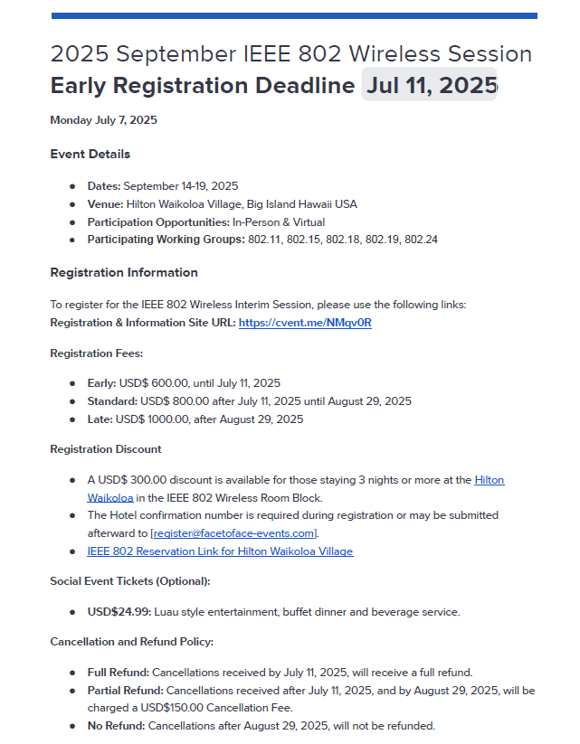

Registration Link: | https://grouper.ieee.org/groups/802/15/pub/Meeting_Plan.html
https://cvent.me/AwPbAx
 |  |  |  |  | Future Meeting Schedule | https://grouper.ieee.org/groups/802/15/pub/Meeting_Plan.html

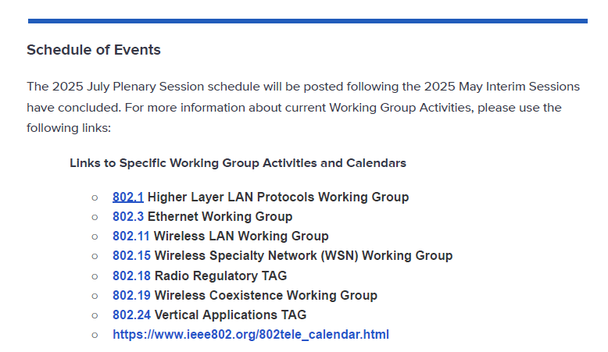
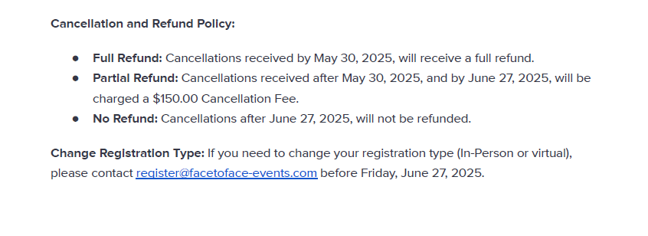

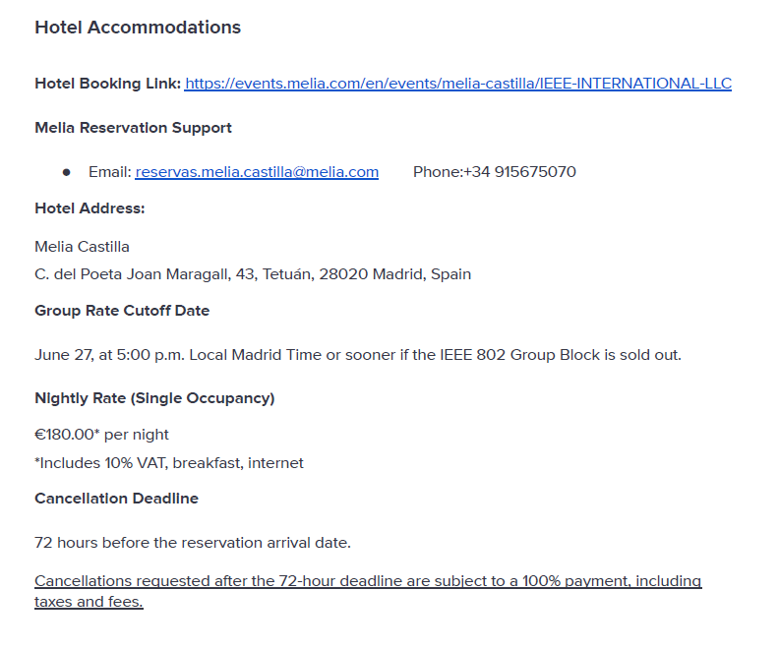

 | 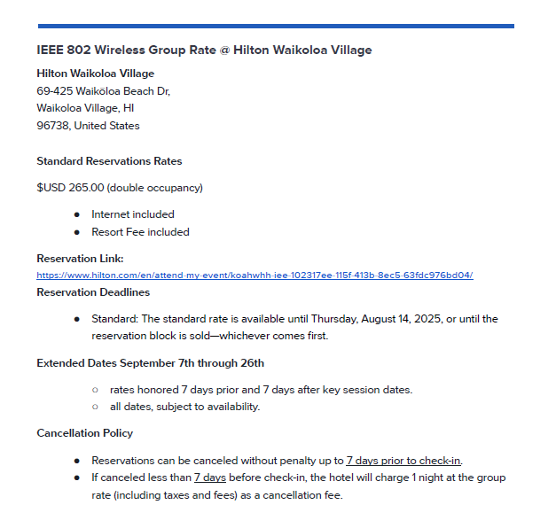

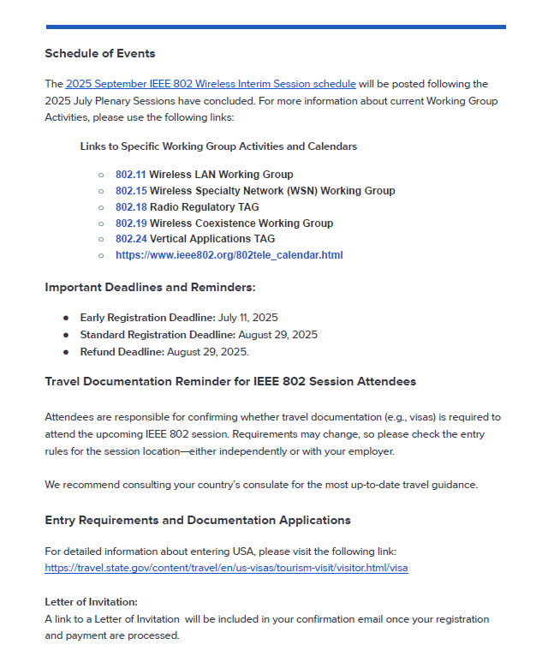

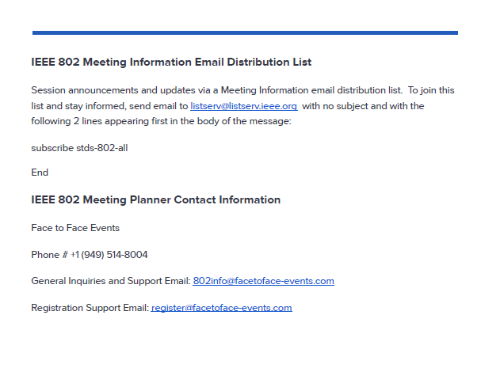

IEEE 802.15 FUTURE SESSION PLANS

Future Meeting Schedule https://grouper.ieee.org/groups/802/15/pub/Meeting_Plan.html

IEEE 802.15 WSN WORKING GROUP SESSIONS
All interested parties are welcome to attend our open Public meetings of the IEEE 802.15 Working Group, you do not have to be an IEEE member to attend. There is a registration fee, to defray the cost of the session. At Plenary sessions these are administered by the IEEE 802 LMSC organization. Interim sessions are administered by the IEEE 802.11/15 Working Groups. This is in-addition to your individual hotel accommodation, and travel expenses.

2025
July 27 - August 1 |  | Melia Castilla Madrid, Madrid, Spain | 156 | Plenary
 |  | Meeting information and registration (open)
 |  | Hotel reservation
September 14-19 |  | Hilton Waikoloa Village, Waikoloa, Hawaii, USA | 157 | Interim
 |  | Meeting information and registration (open)
 |  | Hotel registration
November 9-14 |  | Marriott Marquis Queen's Park, Bangkok Thailand | 158 | Plenary
2026
January 11-16 |  | Victoria Conference Centre and Fairmont Empress, Victoria, British Columbia, Canada | 159 | Interim*
March 8-13 |  | Hyatt Regency Vancouver, Vancouver, Canada | 160 | Plenary
May 10-15 |  | Hilton Antwerp Old Town, Antwerp, Belgium | 161 | Interim*
July 12-17 |  | Le Centre Sheraton Montreal, Montreal, Canada | 162 | Plenary
September 13-18 |  | Hilton Waikoloa Village, Waikoloa, Hawaii, USA | 163 | Interim*
November 8-13 |  | Marriott Marquis Queen's Park, Bangkok Thailand | 164 | Plenary
2027
January 10-15 |  | Hyatt Regency Irvine, Irvine, CA, USA | 165 | Interim*
March 14-19 |  | TBD (Asia) | 166 | Plenary
May 9-14 |  | Cordis Hotel, Auckland, New Zealand | 167 | Interim*
July 11-16 |  | Gothia Towers, Gothenburg, Sweden | 168 | Plenary
September 12-17 |  | Grand Hyatt Atlanta Buckhead, Atlanta Georgia, USA | 169 | Interim*
November 14-19 |  | Hawaiian Village, Oahu, Hawaii, USA | 170 | Plenary
2028
January 16-21 |  | Hilton Panama, Panama City, Panama | 171 | Interim*
March |  | TBD | 172 | Plenary
GENERAL SESSION INFORMATION

§ New attendees should check the agenda file for any new members orientation session. This session typically takes place on Monday and is intended to bring new attendees rapidly up to speed with how to operate effectively within the group.
§ The Online Tentative Session Agenda displayed is always subject to change, after review at the start of the Full Working Group session for each meeting and may be revised during the week to incorporate any necessary work.
§ All Working Group sessions start promptly on time, as detailed in the session agenda.
§ Attendees should bring a Laptop computer (or other small form factor computing device) equipped with 802.11 connectivity for use at the meetings. This is needed to access meeting documents and draft standards and to record meeting attendance.

The Working Group operates under a hierarchy of IEEE, IEEE-SA, IEEE LMSC and 802.15 policies and procedures as described in the 802.15 Operations Manual. You are deemed to be aware of and compliant to these rules by your participation in an 802.15 meeting.

Patemt-Policy; AntiTrust
 |  | 22-0611-04

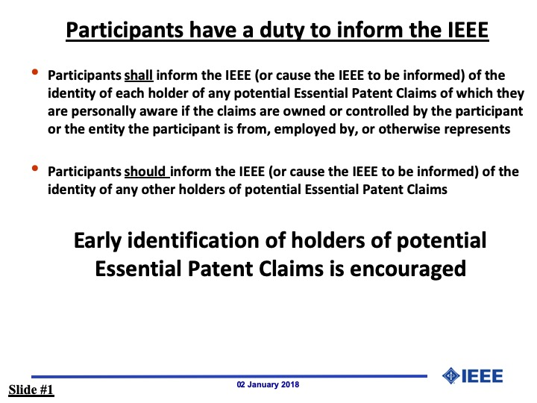 | Overview and convergence of MAC proposals for 15.6ma | 23-0408-00 | Minsso Kim Seong-Soon Joo Marco Hernandez Takumi Kobayashi Daisuke Anzai Ryuji Kohno | 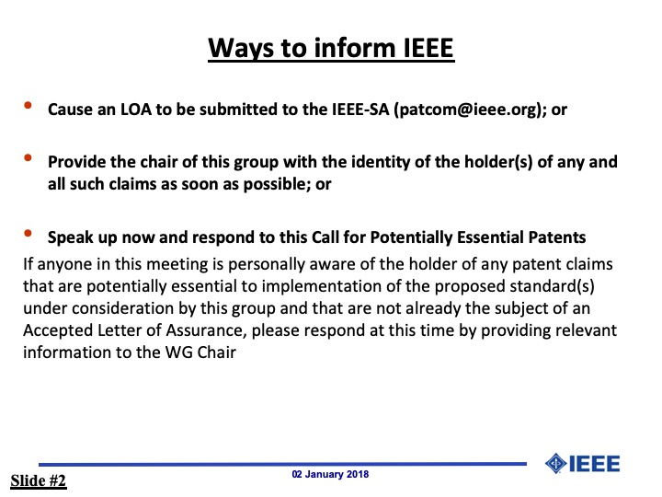

 | Progess report of 802.15.6ma | 23-0056-03 | Marco Hernamdez Ryuji Kohno Takumi Kobayashi Minsoo Kim
 | TG6ma draft revision | 23-0407-00 | Marco Hernandez Ryuji Kohno Takumi Kobayashi Daisuke Anzai Minsoo Kim

