CID1150
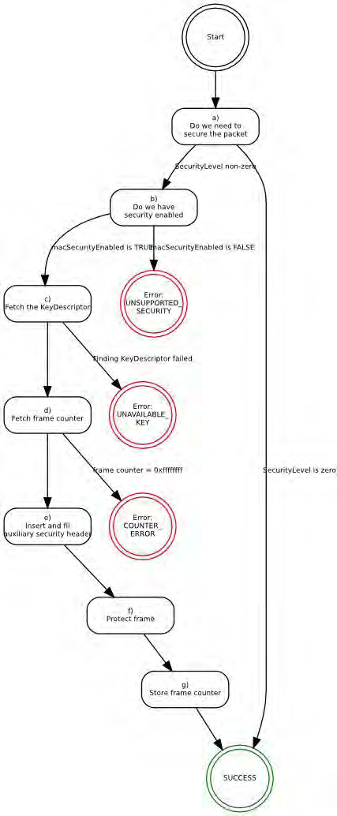

New version of the Outbound state machine:
a) Do we need to secure the packet? If the SecurityLevel parameter is zero, the procedure shall set the secured frame to be the frame to be secured and return with a status of SUCCESS.
b) Do we have security enabled? If the macSecurityEnabled attribute is set to FALSE the procedure shall return with a status of UNSUPPORTED_SECURITY.
c) Fetch the KeyDescriptor. The procedure shall obtain the KeyDescriptor using the KeyDescriptor lookup procedure as described in 9.2.2 with the device addressing mode set to DstAddrMode, the device PAN ID described in 9.2.2 with the device addressing mode set to DstAddrMode, the device PAN ID set to DstPANId, and the device address set to DstAddr. If that procedure fails, the procedure shall return with a status of UNAVAILABLE_KEY.
d) Fetch frame counter. If not using TSCH mode, the procedure shall set the frame counter to the macFrameCounter attribute. If the frame counter has the value 0xffffffff, the procedure shall return with a status of COUNTER_ERROR.
e) Insert and fill auxiliary security header. The procedure shall insert the auxiliary security header into the frame, with fields set as follows: 1) The Security Level field of the Security Control field shall be set to the SecurityLevel parameter. 2) The Key Identifier Mode field of the Security Control field shall be set to the KeyIdMode parameter. 3) If not using TSCH mode, the Frame Counter field shall be set to the frame counter. 4) If the KeyIdMode parameter is set to a value not equal to zero, the Key Source and Key Index fields of the Key Identifier field shall be set to the KeySource and KeyIndex parameters, respectively.
f) Protect frame. The Private Payload field and Open Payload field shall be set as indicated in Table 146. The procedure shall then use the Private Payload field, the Open Payload field, the macExtendedAddress, the frame counter, the SecurityLevel parameter, and the Key element of the KeyDescriptor to produce the secured frame according to the CCM* transformation process defined in 9.3.4.
g) Store frame counter If not using TSCH mode, the procedure shall increment the frame counter by one and set the macFrameCounter attribute to the resulting value.
h) The procedure shall return with a status of SUCCESS.

