802.11 Cover
IEEE 802.11 WIRELESS LOCAL AREA NETWORKS SESSION #214 |  | `

Marriott Marquis Queen's Park, Bangkok, Thailand

November 9-14, 2025

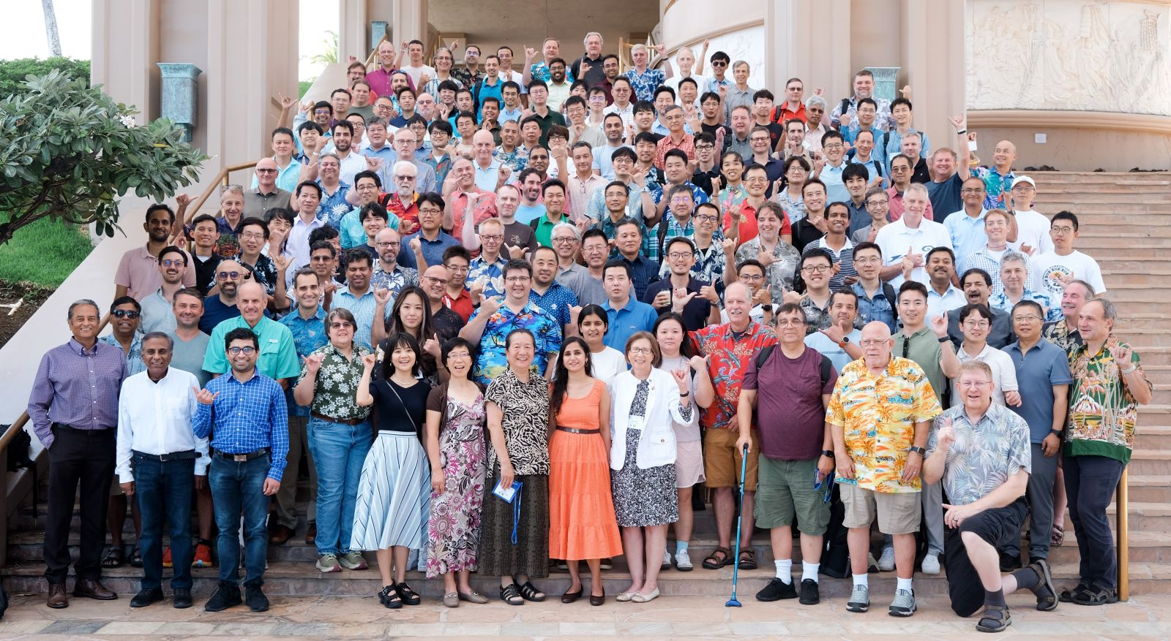

www.ieee802.org/11

Robert Stacey - Chair IEEE 802.11 WLAN Working Group | robert.stacey@intel.com

Jon Rosdahl - Vice-Chair IEEE 802.11 WLAN Working Group | jrosdahl@ieee.org

Stephen McCann - Vice-Chair IEEE 802.11 WLAN Working Group | stephen.mccann@ieee.org

