802.11 Cover
179th IEEE 802.11 WIRELESS LOCAL AREA NETWORKS SESSION |  | `

Hotel Irvine, Irvine, CA

January 12-17, 2020


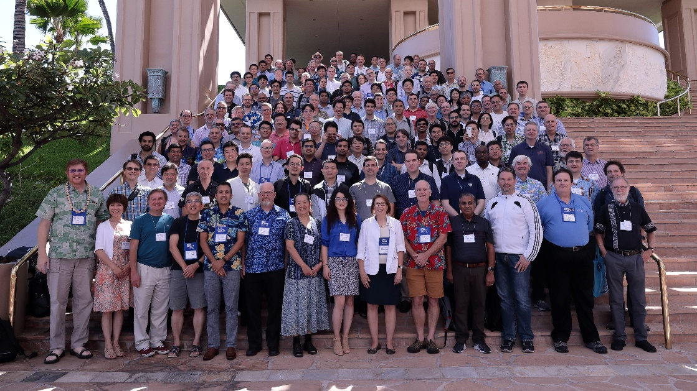

www.ieee802.org/11

Dorothy Stanley - Chair IEEE 802.11 WLAN Working Group | dstanley@ieee.org

Jon Rosdahl - Vice-Chair IEEE 802.11 WLAN Working Group | jrosdahl@ieee.org

Robert Stacey - Vice-Chair IEEE 802.11 WLAN Working Group | robert.stacey@intel.com

Agenda Graphic
802.11 Agenda R4 | Hotel Irvine, Irvine, CA

 | January 12-17, 2020
 | The graphic below describes this session of the IEEE P802.11 Working Group
TIME | 2020-01-12 | 2020-01-13 |  |  |  |  |  | 2020-01-14 |  |  |  |  |  | 2020-01-15 |  |  |  |  |  | 2020-01-16 |  |  |  |  |  | 2020-01-17
07:00-08:00 |  |  |  |  |  |  |  | Editors' Meeting
08:00-08:30 |  | 802 Wireless Opening Plenary |  |  |  |  |  | BE | WNG | BA | AY | ITU |  | BE | BE |  |  | ARC |  | BE | BE | AZ |  | RCM AHC | .18 | 802.11 Working Group Closing Plenary
08:30-09:00
09:00-09:30 |  | 802.11 WG Opening Plenary
09:30-10:00
10:00-10:30 |  | Break |  |  |  |  |  |  |  |  |  |  |  | Break |  |  |  |  |  | Break
10:30-11:00 |  | AX | SENS | BA | BB | NM |  | BE | SENS |  | AANI | BC | .18 | 802.11 Working Group Mid-Week Plenary |  |  |  |  |  | BE | BE tbc | BD tbc | BB | MD | 19 S1G
11:00-11:30
11:30-12:00
Regular Session Hours
12:00-12:30
12:30-13:00 |  | Lunch Break |  |  |  |  |  | Lunch Break |  |  |  |  |  | Lunch Break |  |  |  |  |  | Lunch Break
13:00-13:30
13:30-14:00 |  | BE |  | BD | AZ | MD | .19 S1G | BE | BE |  |  | ARC | JTC1 | BE | BD | AZ | Coex | MD | Nendica | BE |  | AZ | Coex | MD
14:00-14:30
Extra Attendance Credit is given for: Sunday CAC
Monday morning (if meeting as an ad-hoc)
Monday evening * Tuesday Editors' Tuesday evening * Thursday CAC * Only if a meeting is scheduled for that slot in this agenda
14:30-15:00
15:00-15:30
15:30-16:00 |  | Break |  |  |  |  |  | Break |  |  |  |  |  | Break |  |  |  |  |  | Break
16:00-16:30 | Wireless Chairs Meeting | BE | BE |  | BC | ARC | .19 | BD | BD | AZ | BC | MD | .24 | BE | BE | ITU |  | MD | .24 | BE |  | ARC | Coex | BC | .19
16:30-17:00
17:00-17:30
17:30-18:00
Joint with IEEE 1609 WG
18:00-18:30 | CAC | Dinner Break |  |  |  |  |  | Dinner Break |  |  |  |  |  |  |  |  |  |  |  | Dinner Break
18:30-19:00
19:00-19:30 |  |  |  |  |  |  |  |  |  |  |  |  |  | Social
** Any meetings marked thus are subject to confirmation based on room availability
19:30-20:00 |  |  |  | BD |  |  |  | BE | BE |  |  | RCM AHC | .19 S1G |  |  |  |  |  |  | CAC
20:00-20:30
20:30-21:00
21:00-21:30
21:30-22:00
22:00-22:30
For subgroup agendas, go to the group's individual tab (if there is one) or the "Links" tab.

