802.11 Cover
171th IEEE 802.11 WIRELESS LOCAL AREA NETWORKS SESSION |  | `

Hilton Waikoloa, Waikoloa HI

September 9-14, 2018

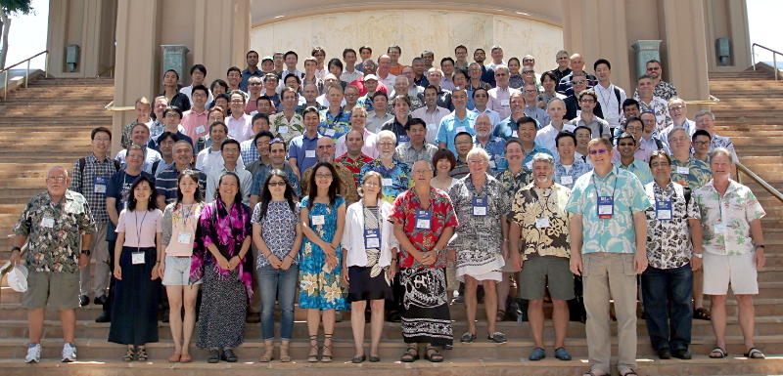

www.ieee802.org/11

Dorothy Stanley - Chair IEEE 802.11 WLANS Working Group | dstanley@ieee.org

Jon Rosdahl - Vice-Chair IEEE 802.11 WLANS Working Group | jrosdahl@ieee.org

Robert Stacey - Vice-Chair IEEE 802.11 WLANS Working Group | robert.stacey@intel.com

Agenda Graphic
802.11 Agenda R3 | Hilton Waikoloa, Waikoloa HI

 | September 9-14, 2018
 | The graphic below describes this session of the IEEE P802.11 Working Group
TIME | 2018-09-09 | 2018-09-10 |  |  |  |  |  | 2018-09-11 |  |  |  |  |  | 2018-09-12 |  |  |  |  |  | 2018-09-13 |  |  |  |  |  | 2018-09-14
07:00-08:00 |  |  |  |  |  |  |  | Editors' Meeting
08:00-08:30 |  | 802 Wireless Opening Plenary |  |  |  |  |  | AX |  | BCS | MD |  |  | AX | NGV | AY | BB | ARC |  | AX |  | AY | AZ | FD TIG | .18 | 802.11 Working Group Closing Plenary
08:30-09:00
09:00-09:30 |  | 802.11 WG Opening Plenary
09:30-10:00
10:00-10:30 |  | Break |  |  |  |  |  | Break |  |  |  |  |  | Break |  |  |  |  |  | Break
10:30-11:00 |  | BA | NGV | AY | BB | NM |  | AX | AX | AY | AZ | BA | .18 | 802.11 Working Group Mid-Week Plenary |  |  |  |  |  | EHT |  | AZ |  | ARC | .18/ 19S1G
11:00-11:30
11:30-12:00
Regular Session Hours
12:00-12:30
12:30-13:00 |  | Lunch Break |  |  |  |  |  | Lunch Break |  |  |  |  |  | Lunch Break |  |  |  |  |  | Lunch Break
13:00-13:30
13:30-14:00 |  | AX | BA | FD TIG | MD | BA | 19 S1G | BA | NGV | MD | FD TIG | BA | JTC1 19S1G | AX | AX | AY | MD | Coex |  | AX | BA | AY | MD | Coex
14:00-14:30
Extra Attendance Credit is given for: Sunday CAC
Monday morning (if meeting as an ad-hoc)
Monday evening * Tuesday Editors' Tuesday evening * Thursday CAC * Only if a meeting is scheduled for that slot in this agenda
14:30-15:00
15:00-15:30
15:30-16:00 |  | Break |  |  |  |  |  | Break |  |  |  |  |  | Break |  |  |  |  |  | Break
16:00-16:30 | Wireless Chairs Meeting | EHT | BA | AANI | MD | BA | .19 | AX | AX | AZ | BB | ARC | .24 | BA | BB | AZ | MD |  | .24 | EHT | BA |  | BCS | RTA TIG | .19
16:30-17:00
17:00-17:30
17:30-18:00
18:00-18:30 | CAC | Dinner Break |  |  |  |  |  | Dinner Break |  |  |  |  |  |  |  |  |  |  |  | Dinner Break
18:30-19:00
19:00-19:30 |  |  |  |  |  |  |  |  |  |  |  |  |  | Social
** Any meetings marked thus are subject to confirmation based on room availability
19:30-20:00 |  | AX | AX |  |  |  |  | AX | AX |  |  | RTA TIG | Nendica |  |  |  |  |  |  | CAC
20:00-20:30
20:30-21:00
21:00-21:30
21:30-22:00
22:00-22:30
For subgroup agendas, go to the group's individual tab (if there is one) or the "Links" tab.

