802.11 Cover
169th IEEE 802.11 WIRELESS LOCAL AREA NETWORKS SESSION |  | `

Warsaw Marriott Hotel, Warsaw, Poland

May 6-11, 2018

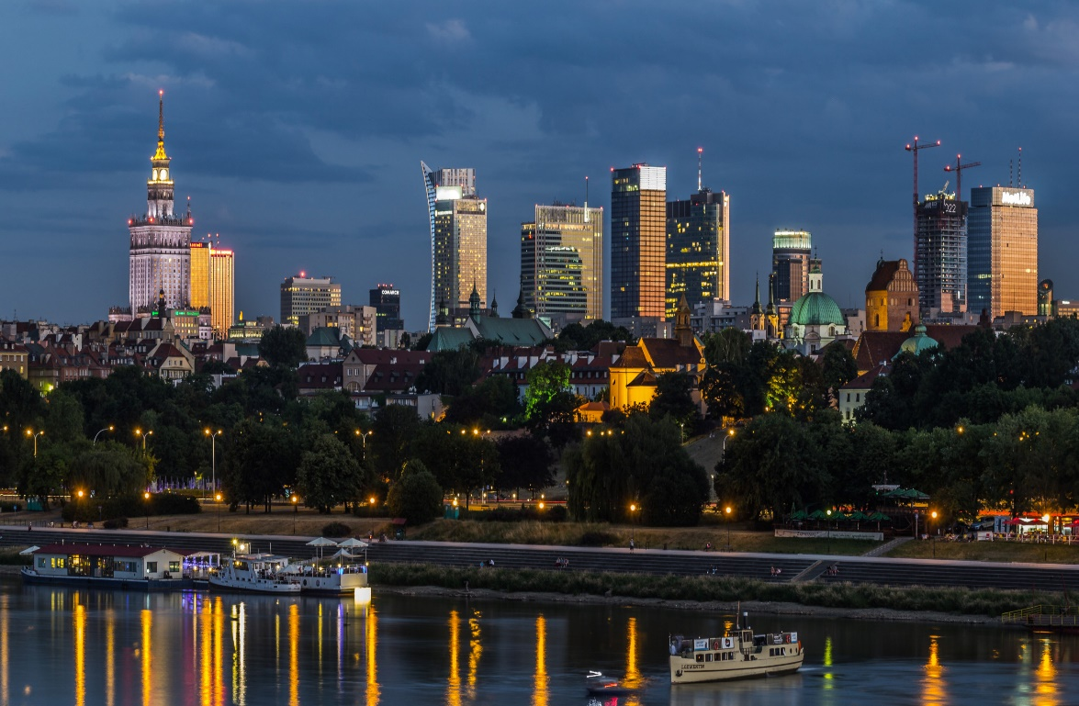


www.ieee802.org/11

Dorothy Stanley - Chair IEEE 802.11 WLANS Working Group | dstanley@ieee.org

Jon Rosdahl - Vice-Chair IEEE 802.11 WLANS Working Group | jrosdahl@ieee.org

Robert Stacey - Vice-Chair IEEE 802.11 WLANS Working Group | robert.stacey@intel.com

Agenda Graphic
802.11 Agenda R2 | Warsaw Marriott Hotel, Warsaw, Poland

 | May 6-11, 2018
 | The graphic below describes this session of the IEEE P802.11 Working Group
TIME | 2018-05-06 | 2018-05-07 |  |  |  |  |  | 2018-05-08 |  |  |  |  |  | 2018-05-09 |  |  |  |  | 2018-05-10 |  |  |  |  |  | 2018-05-11
07:00-08:00 |  |  |  |  |  |  |  | Editors' Meeting
08:00-08:30 |  | 802 Wireless Opening Plenary |  |  |  |  |  | WNG |  | AY |  |  |  | AX | NGV | AY | LC | ARC | AX |  | AY | LC |  | .18 | 802.11 Working Group Closing Plenary
08:30-09:00
09:00-09:30 |  | 802.11 WG Opening Plenary
09:30-10:00
10:00-10:30 |  | Break |  |  |  |  |  | Break |  |  |  |  |  | Break |  |  |  |  | Break
10:30-11:00 |  | BA | FD TIG | AY |  |  | Nendica | AX | AX | AY | AZ | ARC | .18 / .19 | 802.11 Working Group Mid-Week Plenary |  |  |  |  | WNG | BA | AZ | AANI |  | .18
11:00-11:30
11:30-12:00
Regular Session Hours
12:00-12:30
12:30-13:00 |  | Lunch Break |  |  |  |  |  | Lunch Break |  |  |  |  |  | Lunch Break |  |  |  |  | Lunch Break
13:00-13:30
13:30-14:00 |  | AX | BA | BCS | MD | NM |  | BA | NGV | MD | FD TIG | BA | JTC1 | BA | AZ | AY | MD | Coex | AX |  | AY | MD | Coex
14:00-14:30
Extra Attendance Credit is given for: Sunday CAC
Monday morning (if meeting as an ad-hoc)
Monday evening * Tuesday Editors' Tuesday evening * Thursday CAC * Only if a meeting is scheduled for that slot in this agenda
14:30-15:00
15:00-15:30
15:30-16:00 |  | Break |  |  |  |  |  | Break |  |  |  |  |  | Break |  |  |  |  | Break
Joint w/ARC
16:00-16:30 | Wireless Chairs Meeting | BA | LC | AY | AANI | BA |  | AX | AX | AZ | LC | ARC |  | AX | AX | BA | MD | BA | BA |  | AZ | BCS
16:30-17:00
17:00-17:30
17:30-18:00
18:00-18:30 | CAC | Dinner Break |  |  |  |  |  | Dinner Break |  |  |  |  |  |  |  |  |  |  | Dinner Break
18:30-19:00
19:00-19:30 |  |  |  |  |  |  |  |  |  |  |  |  |  | Social
** Any meetings marked thus are subject to confirmation based on room availability
19:30-20:00 |  | AX | AX | AY |  |  |  | AX | AX | AY |  |  |  |  |  |  |  |  | CAC
20:00-20:30
20:30-21:00
21:00-21:30
21:30-22:00
22:00-22:30
For subgroup agendas, go to the group's individual tab (if there is one) or the "Links" tab.

