802.11 Cover
166th IEEE 802.11 WIRELESS LOCAL AREA NETWORKS SESSION |  | `

Caribe Hotel and Convention Center, Orlando, FL, US

November 5-10, 2017
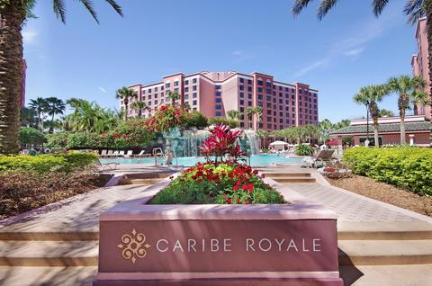


www.ieee802.org/11

Adrian Stephens - Chair IEEE 802.11 WLANS Working Group | adrian.p.stephens@ieee.org

Jon Rosdahl - Vice-Chair IEEE 802.11 WLANS Working Group | jrosdahl@ieee.org

Dorothy Stanley - Vice-Chair IEEE 802.11 WLANS Working Group | dorothy.stanley@hpe.com

Agenda Graphic
802.11 Agenda R3 | Caribe Hotel and Convention Center, Orlando, FL, US

 | November 5-10, 2017
 | The graphic below describes this session of the IEEE P802.11 Working Group
TIME | 2017-11-05 | 2017-11-06 |  |  |  |  | 2017-11-07 |  |  |  |  | 2017-11-08 |  |  |  |  | 2017-11-09 |  |  |  |  | 2017-11-10
07:00-08:00 |  |  |  |  |  |  | Editors' Meeting
08:00-08:30 |  | BA | AY | LC |  |  | WNG | BA | AY | LC |  | AX | AZ | ARC | AQ |  | BA | AY | LC | AK | .18 | 802.11 Working Group Closing Plenary
08:30-09:00
09:00-09:30
09:30-10:00
10:00-10:30 |  | Break |  |  |  |  | Break |  |  |  |  | Break |  |  |  |  | Break
10:30-11:00 |  | 802.11 Working Group Opening Plenary |  |  |  |  | AX | AY | ARC | AQ | .18 | 802.11 Working Group Mid-Week Plenary |  |  |  |  | AX | AQ | AANI | PAR | .18
11:00-11:30
11:30-12:00
Regular Session Hours
12:00-12:30
12:30-13:00 |  | Lunch Break |  |  |  |  | Lunch Break |  |  |  |  | Lunch Break |  |  |  |  | Lunch Break
13:00-13:30
13:30-14:00 |  | AX | AY | MD | NM | AANI | BA | MD |  | AANI | JTC1 | BA | AZ | MD | Coex |  | BA | AY | MD | Coex
14:00-14:30
Extra Attendance Credit is given for: Sunday CAC
Monday morning (if meeting as an ad-hoc)
Monday evening * Tuesday Editors' Tuesday evening * Thursday CAC * Only if a meeting is scheduled for that slot in this agenda
14:30-15:00
15:00-15:30
15:30-16:00 |  | Break |  |  |  |  | Break |  |  |  |  | Break |  |  |  |  | Break
16:00-16:30 | Wireless Chairs Meeting | BA | Coex | PAR | AK |  | AX | AZ | LC | ARC |  | AX | AY | MD |  | .19 | AX | AZ | MD
16:30-17:00
17:00-17:30
17:30-18:00
18:00-18:30 | CAC | Tutorial 1 - Use of 802.11 for 5G Millimeter Wave Systems |  |  |  |  | Dinner Break |  |  |  |  |  |  |  |  |  | Dinner Break
18:30-19:00
19:00-19:30 |  |  |  |  |  |  |  |  |  |  |  | Social
** Any meetings marked thus are subject to confirmation based on room availability
19:30-20:00 |  | Tutorial 2 - Local MAC Addresses in the IEEE 802 Overview and Architecture based on IEEE Std 802c |  |  |  |  | BA | AY |  |  |  |  |  |  |  |  | CAC
20:00-20:30
20:30-21:00
21:00-21:30
802.11ah & 802.15.4g coexistence discussion
21:30-22:00
22:00-22:30
For subgroup agendas, go to the group's individual tab (if there is one) or the "Links" tab.

