802.11 Cover
164th IEEE 802.11 WIRELESS LOCAL AREA NETWORKS SESSION |  | `

Estrel Hotel and Convention Center, Berlin, Germany

July 9-14, 2017
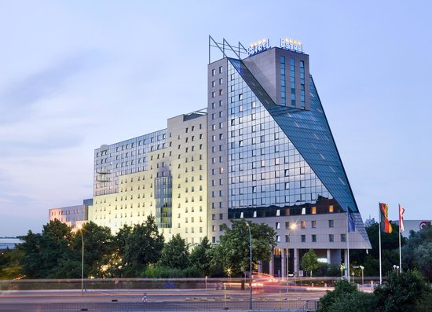


www.ieee802.org/11

Adrian Stephens - Chair IEEE 802.11 WLANS Working Group | adrian.p.stephens@ieee.org

Jon Rosdahl - Vice-Chair IEEE 802.11 WLANS Working Group | jrosdahl@ieee.org

Dorothy Stanley - Vice-Chair IEEE 802.11 WLANS Working Group | dorothy.stanley@hpe.com

Agenda Graphic
Ad-hoc meetings
802.11 Agenda R3 | Estrel Hotel and Convention Center, Berlin, Germany

 | July 9-14, 2017
 | The graphic below describes this session of the IEEE P802.11 Working Group
TIME | 2017-07-09 | 2017-07-10 |  |  |  |  |  | 2017-07-11 |  |  |  |  |  | 2017-07-12 |  |  |  |  |  | 2017-07-13 |  |  |  |  |  | 2017-07-14
07:00-08:00 |  |  |  |  |  |  |  | Editors' Meeting
08:00-08:30 |  | BA |  | LC | AQ |  |  | WNG | BA | AY | AQ | LC |  | AX | BA | AY | ARC |  |  | BA | AQ | AK | AJ | AX | .18 | 802.11 Working Group Closing Plenary
08:30-09:00
09:00-09:30
09:30-10:00
10:00-10:30 |  | Break |  |  |  |  |  | Break |  |  |  |  |  | Break |  |  |  |  |  | Break
10:30-11:00 |  | 802.11 WG Opening Plenary |  |  |  |  |  | AX | AX | AY | PAR | AQ | .18 | 802.11 Working Group Mid-Week Plenary |  |  |  |  |  | BA | AANI WNG | AY | PAR | AQ
11:00-11:30
11:30-12:00
Regular Session Hours
12:00-12:30
12:30-13:00 |  | Lunch Break |  |  |  |  |  | Lunch Break |  |  |  |  |  | Lunch Break |  |  |  |  |  | Lunch Break
13:00-13:30
13:30-14:00 |  | AX | AANI | AY | MD | NM |  | BA | AZ | LC | MD |  | JTC1 | AX | AX | AZ | MD | Coex | AY | AX | BA | AY | MD | Coex
14:00-14:30
Extra Attendance Credit is given for: Sunday CAC
Monday morning (if meeting as an ad-hoc)
Monday evening * Tuesday Editors' Tuesday evening * Thursday CAC * Only if a meeting is scheduled for that slot in this agenda
14:30-15:00
15:00-15:30
15:30-16:00 |  | Break |  |  |  |  |  | Break |  |  |  |  |  | Break |  |  |  |  |  | Break
16:00-16:30 | Wireless Chairs Meeting | AX | AX | BA | PAR | AK | .19 | AX | AX | BA | ARC | AJ |  | AX | AX | AZ | AQ | AK | Omni, .19 | AX | LC | AZ | MD | AJ | .19
16:30-17:00
17:00-17:30
17:30-18:00
18:00-18:30 | CAC | Tutorial1 - Practical PoE |  |  |  |  |  | Dinner Break |  |  |  |  |  |  |  |  |  |  |  | Dinner Break
18:30-19:00
19:00-19:30 |  |  |  |  |  |  |  |  |  |  |  |  | Net Enh. IC | Social
In ECC Room 1 Finishes at 17:45
** Any meetings marked thus are subject to confirmation based on room availability
19:30-20:00 |  | Tutorial2 - Optical wireless |  |  |  |  |  | AX | AX | AK |  |  |  |  |  |  |  |  |  | CAC
20:00-20:30
20:30-21:00
Starting in 802.1AS room
21:00-21:30 |  | Tutorial3 - Automotive Ethernet
21:30-22:00
22:00-22:30
For subgroup agendas, go to the group's individual tab (if there is one) or the "Links" tab.

