802.11 Cover
156th IEEE 802.11 WIRELESS LOCAL AREA NETWORKS SESSION |  | `

The Venetian Macao, Macao, PRC

March 13-18, 2016
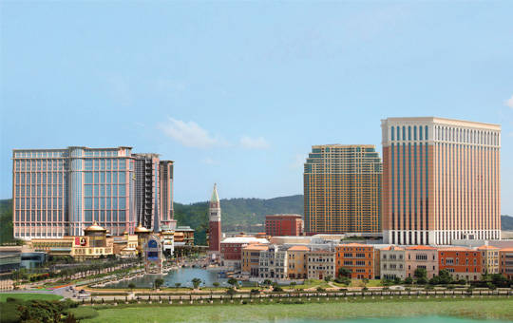


www.ieee802.org/11

Adrian Stephens - Chair IEEE 802.11 WLANS Working Group | adrian.p.stephens@ieee.org

Jon Rosdahl - Vice-Chair IEEE 802.11 WLANS Working Group | jrosdahl@ieee.org

Dorothy Stanley - Vice-Chair IEEE 802.11 WLANS Working Group | dorothy.stanley@hpe.com

Agenda Graphic
802.11 Agenda R7 | The Venetian Macao, Macao, PRC
Ad-hoc meetings
No Tutorials
Joint Meeting with
802.11ak
Joint Meeting with
802.1 and ARC
 | March 13-18, 2016
 | The graphic below describes this session of the IEEE P802.11 Working Group
TIME | 2016-03-13 | 2016-03-14 |  |  |  |  |  | 2016-03-15 |  |  |  |  |  | 2016-03-16 |  |  |  |  |  | 2016-03-17 |  |  |  |  |  | 2016-03-18
07:00-08:00 |  |  |  |  |  |  |  | Editors' Meeting
08:00-08:30 |  |  | AQ |  |  |  |  | WNG |  | AY | AK | AJ |  | AH | LRLP TIG | AQ | AJ | ARC |  | AH | AQ ** | AK |  | AY | 802 .18 | 802.11 Working Group Closing Plenary
08:30-09:00
09:00-09:30
09:30-10:00
10:00-10:30 |  | Break |  |  |  |  |  | Break |  |  |  |  |  | Break |  |  |  |  |  | Break
10:30-11:00 |  | 802.11 Working Group Opening Plenary |  |  |  |  |  | AX | AX | AQ |  | PAR | 802 .18 | 802.11 Working Group Mid-Week Plenary |  |  |  |  |  | AX | AY | AQ | AK | PAR | 802 .18
11:00-11:30
11:30-12:00
Regular Session Hours
12:00-12:30
12:30-13:00 |  | Lunch Break |  |  |  |  |  | Lunch Break |  |  |  |  |  | Lunch Break |  |  |  |  |  | Lunch Break
13:00-13:30
13:30-14:00 |  | AX | LRLP TIG | REG | NM | MC |  | AH | LRLP TIG | AQ | AK | MC | JTC1 | AX | AX | AQ | AZ | ARC |  | AH | LRLP TIG | AZ | AJ | MC
14:00-14:30
Extra Attendance Credit is given for: Sunday CAC
Monday morning (if meeting as an ad-hoc)
Monday evening * Tuesday Editors' Tuesday evening * Thursday CAC * Only if a meeting is scheduled for that slot in this agenda
14:30-15:00
15:00-15:30
15:30-16:00 |  | Break |  |  |  |  |  | Break |  |  |  |  |  | Break |  |  |  |  |  | Break
16:00-16:30 | Wireless Chairs Meeting | AH | AY | AQ | ARC | PAR |  | AX | AX | AZ | AK | MC | 802 .18 | AX | AX | AH | AJ | MC | 802 .18 | AX | AY | AQ | AK | MC | AH **
16:30-17:00
17:00-17:30
17:30-18:00
18:00-18:30 | CAC | Dinner Break |  |  |  |  |  | Dinner Break |  |  |  |  |  |  |  |  |  |  |  | Dinner Break
18:30-19:00
19:00-19:30 |  |  |  |  |  |  |  |  |  |  |  |  |  | Social
** Any meetings marked thus are subject to confirmation based on room availability
19:30-20:00 |  | AX | AX |  |  |  | 5G EC SC | AX |  |  | AY |  | 5G EC SC |  |  |  |  |  |  | CAC
20:00-20:30
20:30-21:00
21:00-21:30
21:30-22:00
22:00-22:30
For subgroup agendas, go to the group's individual tab (if there is one) or the "Links" tab.

