802.11 Cover
155.5th IEEE 802.11 WIRELESS LOCAL AREA NETWORKS SESSION |  | `

Heilongjiang Trade Union Business Hotel

Jan 27 2016




www.ieee802.org/11

Adrian Stephens - Chair IEEE 802.11 WLANS Working Group | adrian.p.stephens@ieee.org

Jon Rosdahl - Vice-Chair IEEE 802.11 WLANS Working Group | jrosdahl@ieee.org

Dorothy Stanley - Vice-Chair IEEE 802.11 WLANS Working Group | dorothy.stanley@hpe.com

Courtesy Notice

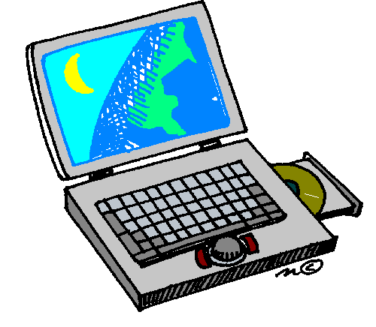
As a Courtesy To Others …
Please switch your Mobile Phones OFF/VIBRATE and mute any other sources of noise (e.g., PC or tablet) when in an 802.11 meeting
The use of Audio / Video recording or the capture of Photographs is prohibited in 802.11 meetings, except when specifically announced by the Chair.

