802.11 Cover
155th IEEE 802.11 WIRELESS LOCAL AREA NETWORKS SESSION |  | `

Hyatt Regency, Atlanta, GA, USA

January 17-22, 2016
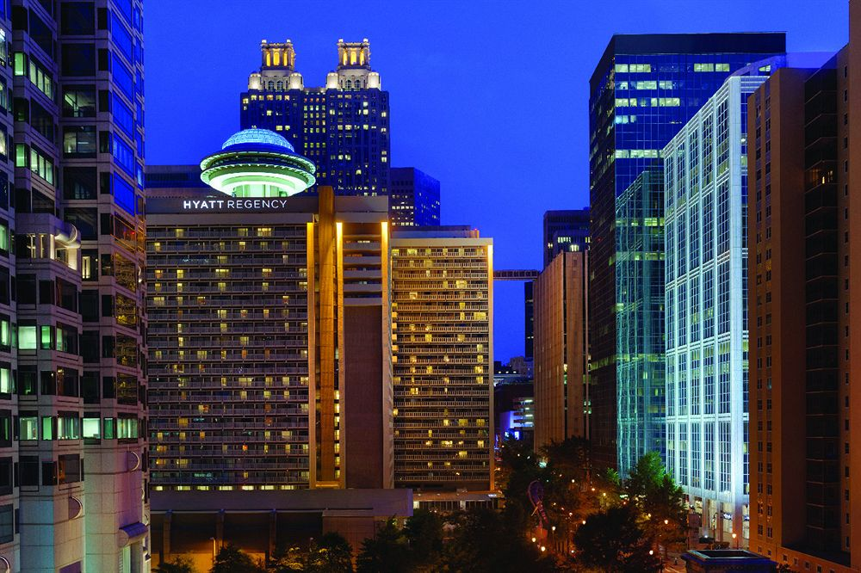


www.ieee802.org/11

Adrian Stephens - Chair IEEE 802.11 WLANS Working Group | adrian.p.stephens@ieee.org

Jon Rosdahl - Vice-Chair IEEE 802.11 WLANS Working Group | jrosdahl@ieee.org

Dorothy Stanley - Vice-Chair IEEE 802.11 WLANS Working Group | dstanley@arubanetworks.com

Links
Links

Task Group (TG), Standing Committee (SC) and Study Group (SG) Agenda Links
Group ** | Description | Chair | Agenda Document
ARC SC | Architecture Standing Committee | Mark Hamilton | https://mentor.ieee.org/802.11/dcn/11-15-1519
PAR SC | Project Authorization Review (PAR) Review Standing Committee | Jon Rosdahl |  | Not meeting
REG SC | Regulatory Standing Committee | Rich Kennedy | https://mentor.ieee.org/802.11/dcn/11-15-1523
WNG SC | Wireless Next Generation Standing Committee | Jim Lansford | https://mentor.ieee.org/802.11/dcn/11-15-1518
TGah | < 1 GHz | Yongho Seok | https://mentor.ieee.org/802.11/dcn/11-15-1511
Note the TGaj meeting takes place the week following the Atlanta interim in Harbin, CN.
TGai | Fast Initial Link Setup | Hiroshi Mano | https://mentor.ieee.org/802.11/dcn/11-15-1536
TGaj | China Millimeter Wave (CMMW) | Xiaoming Peng | https://mentor.ieee.org/802.11/dcn/11-15-1521
TGak | General Link | Donald Eastlake 3rd | https://mentor.ieee.org/802.11/dcn/11-15-1473
TGaq | Pre-association Discovery | Stephen McCann | https://mentor.ieee.org/802.11/dcn/11-15-1515
MC | Revision MC | Dorothy Stanley | https://mentor.ieee.org/802.11/dcn/11-15-1522
TGax | High efficiency wireless LAN (HEW) | Osama Aboul-Magd | https://mentor.ieee.org/802.11/dcn/11-15-1516
TGay | Next Generation 60 GHz | Edward Au | https://mentor.ieee.org/802.11/dcn/11-15-1472
TGaz | Next Generation Positioning | Jonathan Segev | https://mentor.ieee.org/802.11/dcn/11-15-1466
LRLP TIG | Long range low power Topic Interest Group | Tim Godfrey | https://mentor.ieee.org/802.11/dcn/11-15-1520

Policy Links
Refer to the 802.11 WG Agenda for links to policy documents under which the session operates.

WG Information
802.11 Website | http://www.ieee802.org/11/
802.11 Document Server | https://mentor.ieee.org/802.11/documents
802.11 Reflector Request | http://grouper.ieee.org/groups/802/11/Reflector.html
802.11 Meeting Plan | http://www.ieee802.org/11/Meetings/Meeting_Plan.html
802.11 Members' Area | http://www.ieee802.org/11/private/index.shtml
802.11 Operations Manaul | TBD
802.11 Officers | http://www.ieee802.org/11/Photographs/officers.htm

WG Session Reports
WG Agenda | https://mentor.ieee.org/802.11/dcn/11-15-1485
Opening report | https://mentor.ieee.org/802.11/dcn/11-15-1486
Snapshots | https://mentor.ieee.org/802.11/dcn/11-15-1526
1st vice chair | https://mentor.ieee.org/802.11/dcn/11-15-1524
2nd vice chair | https://mentor.ieee.org/802.11/dcn/11-15-1527
Treasurer | https://mentor.ieee.org/802.11/dcn/11-15-1525
Supplementary Material | https://mentor.ieee.org/802.11/dcn/11-15-1487
Motions | https://mentor.ieee.org/802.11/dcn/11-15-1528
Closing report | https://mentor.ieee.org/802.11/dcn/11-15-1529

Session Information | http://802world.org/attendee

Embedded Agendas **
WG11 | IEEE 802.11 Working Group
CAC | IEEE 802.11 Chair's Advisory Committee
JTC1 | JTC1 EC SC

Other Meetings
NM | New Members Orientation

** The colours used for these entries matches the colour used in the Agenda Graphic

Agenda Graphic
802.11 Agenda R2 | Hyatt Regency, Atlanta, GA, USA
Joint Meeting with
ARC
Joint Meeting with
ARC
 | January 17-22, 2016
 | The graphic below describes this session of the IEEE P802.11 Working Group
TIME | 2016-01-17 | 2016-01-18 |  |  |  |  | 2016-01-19 |  |  |  |  | 2016-01-20 |  |  |  |  | 2016-01-21 |  |  |  |  | 2016-01-22
07:00-08:00 |  |  |  |  |  |  | Editors' Meeting
08:00-08:30 |  | Wireless Opening Plenary |  |  |  |  |  | WNG | AY | LRLP TIG | AH | ARC | AX | AY | AQ | AI | AI | AH | AK | AY | REG | 802.11 Working Group Closing Plenary
08:30-09:00
09:00-09:30 |  | 802.11 Opening Plenary
09:30-10:00
10:00-10:30 |  | Break |  |  |  |  | Break |  |  |  |  | Break |  |  |  |  | Break
10:30-11:00 |  | AK | AX | AY | NM | AI | ARC | AX | AX | REG fixed slot | AI | 802.11 Working Group Mid-Week Plenary |  |  |  |  |  | AX | AY | AQ | AK
11:00-11:30
11:30-12:00
Regular Session Hours
12:00-12:30
12:30-13:00 |  | Lunch Break |  |  |  |  | Lunch Break |  |  |  |  | Lunch Break |  |  |  |  | Lunch Break
13:00-13:30
13:30-14:00 |  | AK | AH | AI | LRLP TIG | NG MN | ARC | AX | AX | AQ | JTC1 | AK | AX | AX | AQ | AZ | MC | AH | LRLP TIG | JTC1 | AI
14:00-14:30
Extra Attendance Credit is given for: Sunday CAC
Monday morning (if meeting as an ad-hoc)
Monday evening * Tuesday Editors' Tuesday evening * Thursday CAC * Only if a meeting is scheduled for that slot in this agenda
14:30-15:00
15:00-15:30
15:30-16:00 |  | Break |  |  |  |  | Break |  |  |  |  | Break |  |  |  |  | Break
16:00-16:30 | Wireless Chairs Meeting | MC | AX | AX | AQ | AI | MC | AH | AZ | AK | AI | MC | AX | AX | AH | AI |  | AX | AZ | AQ | AK
16:30-17:00
17:00-17:30
17:30-18:00
18:00-18:30 | CAC | Dinner Break |  |  |  |  | Dinner Break |  |  |  |  |  |  |  |  |  | Dinner Break
18:30-19:00
19:00-19:30 |  |  |  |  |  |  |  |  |  |  |  | Social
** Any meetings marked thus are subject to confirmation based on room availability
19:30-20:00 |  | AK | AH |  |  |  | AK | AX | AX | AY | AI |  |  |  |  |  | CAC
20:00-20:30
20:30-21:00
21:00-21:30
21:30-22:00
22:00-22:30
For subgroup agendas, go to the group's individual tab (if there is one) or the "Links" tab.

