802.11 Cover
151.5th IEEE 802.11 WIRELESS LOCAL AREA NETWORKS SESSION |  | `

Zhuhai Dehan Hotel

May 19-20, 2015

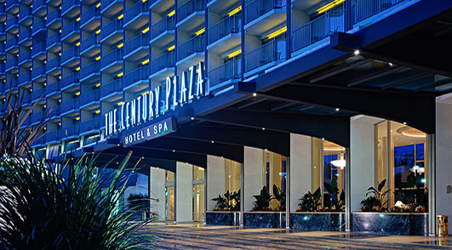


www.ieee802.org/11

Adrian Stephens - Chair IEEE 802.11 WLANS Working Group | adrian.p.stephens@ieee.org

Jon Rosdahl - Vice-Chair IEEE 802.11 WLANS Working Group | jrosdahl@ieee.org

Dorothy Stanley - Vice-Chair IEEE 802.11 WLANS Working Group | dstanley@arubanetworks.com

Courtesy Notice


As a Courtesy To Others …
Please switch your Mobile Phones OFF/VIBRATE and mute any other sources of noise (e.g., PC or tablet) when in an 802.11 meeting
The use of Audio / Video recording or the capture of Photographs is prohibited in 802.11 meetings, except when specifically announced by the Chair.

Agenda Graphic
Agenda R1 | Zhuhai Dehan Hotel
The timing of the 802.11 Closing Plenary is variable. It will start once TGaj has completed its business for the week, but timed so that its scheduled business avoids overlapping the Break and Lunch Break slots.
 | May 19-20, 2015

TIME | 2015-05-19 | 2015-05-20
09:00-09:30 | 802.11 Opening Plenary | AJ
09:30-10:00
10:00-10:30 | Break | Break
10:30-11:00 | AJ | AJ
11:00-11:30
11:30-12:00 |  | 802.11 Closing Plenary
12:00-12:30
12:30-13:00 | Lunch Break | Lunch Break
13:00-13:30
13:30-14:00 | AJ
14:00-14:30
14:30-15:00
15:00-15:30
15:30-16:00 | Break
16:00-16:30 | AJ
16:30-17:00
17:00-17:30
17:30-18:00

For subgroup agendas, go to the group's indiviual tab (if there is one) or the "Links" tab.

