802.11 Cover
145th IEEE 802.11 WIRELESS LOCAL AREA NETWORKS SESSION |  | `

Hilton Waikoloa Village - Waikoloa - Hawaii, USA

May 11-16, 2014


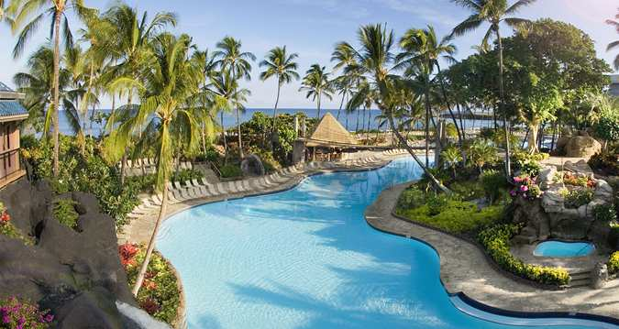


www.ieee802.org/11

Adrian Stephens - Chair IEEE 802.11 WLANS Working Group | adrian.p.stephens@ieee.org

Jon Rosdahl - Vice-Chair IEEE 802.11 WLANS Working Group | jrosdahl@ieee.org

Dorothy Stanley - Vice-Chair IEEE 802.11 WLANS Working Group | dstanley@arubanetworks.com

Courtesy Notice


As a Courtesy To Others …
Please switch your Mobile Phones OFF/VIBRATE and mute any other sources of noise (e.g., PC or tablet) when in an 802.11 meeting
The use of Audio / Video recording or the capture of Photographs is prohibited in 802.11 meetings, except when specifically announced by the Chair.

Agenda Graphic
Agenda R4

TIME | 2014-05-12 |  |  |  |  | 2014-05-13 |  |  |  |  | 2014-05-14 |  |  |  |  | 2014-05-15 |  |  |  | 2014-05-16
07:00-08:00 |  |  |  |  |  | Editors | O & A telecon
08:00-08:30 | Wireless Opening Plenary |  |  |  |  |  | WNG SC | AH |  |  | ARC | AX | AH | AI |  | REG | AX | AK | AI | 802.11 Working Group Closing Plenary
08:30-09:00
09:00-09:30 | 802.11 Opening Plenary
09:30-10:00
10:00-10:30 | Break |  |  |  |  | Break |  |  |  |  | Break |  |  |  |  | Break
10:30-11:00 | NM | AX |  | AK |  | AK | AX | AI | AQ |  | 802.11 Working Group Mid-Week Plenary |  |  |  |  | MC | AH | AK | AQ
11:00-11:30
11:30-12:00
12:00-12:30
Regular Session Hours
12:30-13:00 | Lunch Break |  |  |  |  | Lunch Break |  |  |  |  | Lunch Break |  |  |  |  | Lunch Break
13:00-13:30
13:30-14:00 | MC | AH |  | AQ |  | MC | AH | AI | JTC1 |  | MC | AH | AQ | AI |  | PUB | AX |  | JTC1
14:00-14:30
14:30-15:00
15:00-15:30
15:30-16:00 | Break |  |  |  |  | Break |  |  |  |  | Break |  |  |  |  | Break |  |  |  |  | Extra Attendance Credit for
16:00-16:30 | MC | AX | AI |  | Smart Grid | MC | AX |  | REG | Smart Grid |  | AH | MC |  | Smart Grid | MC | AH |  | AI |  | Sunday CAC
16:30-17:00 |  |  |  |  |  |  |  |  |  |  |  |  |  |  |  |  |  |  |  |  | Monday evening **
17:00-17:30 |  |  |  |  |  |  |  |  |  |  |  |  |  |  |  |  |  |  |  |  | Tuesday Editors'
17:30-18:00 |  |  |  |  |  |  |  |  |  |  |  |  |  |  |  |  |  |  |  |  | Tuesday evening **
18:00-18:30 | Dinner Break |  |  |  |  | Dinner Break |  |  |  |  |  |  |  |  |  | Dinner Break |  |  |  |  | Thursday CAC
18:30-19:00 |  |  |  |  |  |  |  |  |  |  | Social |  |  |  |  |  |  |  |  |  | ** Only if a meeting is scheduled for that slot in this agenda
19:00-19:30
19:30-20:00 |  | AX |  | AK |  |  | AX | AH |  |  |  |  |  |  |  | CAC
Joint AK / ARC session
20:00-20:30
20:30-21:00
21:00-21:30
21:30-22:00
22:00-22:30

For subgroup agendas, go to the group's indiviual tab (if there is one) or the "Links" tab.

 | CAC | Chair's Advisory Committee

 | NM | New Members Introductory Meeting

 | Editors | Editor's Coordination Meeting

 | REG | Regulatory

 | WNG SC | Wireless Next Generation

 | PUB | Publicity

 | ARC | Architecture

 | MC | Revision MC

 | AH | TGah (<1GHz)

 | AI | TGai - Fast Initial Link Setup

 | AK | TGak - General Link

 | AQ | TGaq - Pre-association Discovery

 | AX | TGax - High Efficiency Wireless LAN

 | Smart Grid | Smart Grid Technical Advisory Group (SG TAG)

 | JTC1 | IEEE 802 JTC1 Technical Advisory Group (JTC1 TAG)

