Title
SEP 2011
 |  | IEEE P802.11 Wireless LANs
PLENARY |  | Submission
R4 | Designator: | doc.: IEEE 802.11-11/1099
 | Venue Date: | September 18-23 2011
 | First Author: | Bruce Kraemer, Chair, IEEE 802.11 WLANs Working Group

Graphic | Subject: | Tentative Agenda September 2011
WG | Full Date: | 2011-September -19
 | Author(s): | Bruce Kraemer - Marvell Semiconductor, Inc |  | Jon Rosdahl - CSR
WNG SC |  | Chair, IEEE 802.11 WLANs Working Group |  | Vice-Chair, IEEE 802.11 WLANs Working Group
ARC |  | Address | Marvell Lane, Santa Clara, CA, 95054 | Address: Highland, Utah, 84003
 |  | Phone: | +1 (321) 751-3988 | e-mail: jrosdahl@ieee.org
TGMB |  | Fax: | +1 (321) 751-3988
TGS |  | email: bkraemer@ieee.org
Combined 802.11 WG January 2010 Interim Session Agenda including Standing Committees, Task Groups, Study Groups, and Ad-Hoc Groups
Combined 802.11 WG September 2011 Interim Session Agenda including Standing Committees, Task Groups, Study Groups, and Ad-Hoc Groups
TGaa | Abstract:
TGac
TGad
TGae
TGaf
TGah
TGai

JTC1
REG
Smt Grid

Home Page
Calendar
Cover
Notice
Officers
Title
Affiliation
Antitrust
Ethics
LOA Form
PatCom
Patents
Patent FAQ
Reference

SEP 2011

802.11 Cover
SEP 2011
 | 129th IEEE 802.11 WIRELESS LOCAL AREA NETWORKS SESSION |  | `
PLENARY
R4
 | Okinawa, Japan

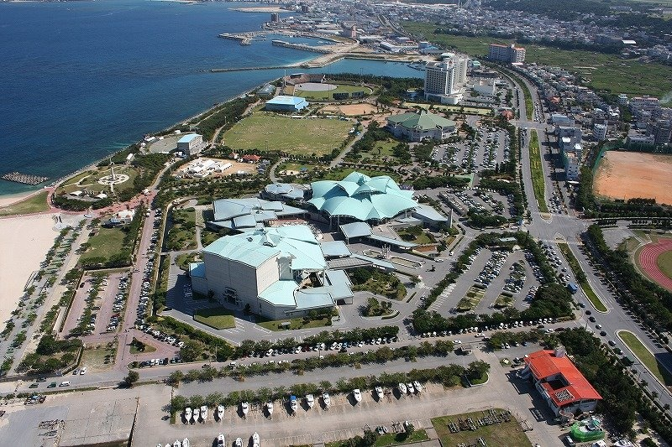
 | September 18-23, 2011
Graphic
WG


WNG SC
ARC

TGMB
TGS
TGaa
TGac
TGad
TGae
TGaf
TGah
TGai

 | www.ieee802.org/11

JTC1 | Bruce Kraemer - Chair, IEEE 802.11 WLANs Working Group
REG
Smt Grid | bkraemer@ieee.org

 |  | IEEE Std 802.11, 802.11a, 802.11b, 802.11b-Cor1, 802.11d, 802.11e, 802.11F, 802.11g, 802.11h, 802.11i, 802.11j, 802.11k, 802.11m, 802.11ma, 802.11mb, IEEE 802.11-REVma, IEEE 802.11-REVmb, 802.11n, 802.11p, 802.11r, 802.11s, 802.11T, 802.11u, 802.11v, 802.11w, 802.11y, 802.11z, 802.11aa, 802.11ac, 802.11ad, 802.11ae, 802.11af, 802.11.1 and 802.11.2 are trademarks of the IEEE. All other names or product names are the trademarks, service marks or registered trademarks of their respective holders.

Home Page
Calendar
Cover
Notice
Officers
Title
Affiliation
Antitrust
Ethics
LOA Form
PatCom
Patents
Patent FAQ
Reference

SEP 2011

Courtesy Notice
As a Courtesy To Others …
PLEASE switch your Mobile Phones OFF, or to VIBRATE Alert when in the meeting rooms……", remember to MUTE your PC also please !
"Our thanks to all those people who now use Headsets !”
The use of Audio and / or Video recording of any 802.11 meeting is Specifically Prohibited as per the 802.11 WG Policies and Procedures. This is mandated by the IEEE-SASB in the OpManual - 5.3.3.5. Still photography is only permitted by a public request and permission of the meeting membership via the WG Chair, and is not for commercial purposes, also mandated by IEEE-SASB in the OpManual - 5.3.3.4.
Still Camera
By WG Request ONLY
SEP 2011


PLENARY
R4

Graphic
WG

WNG SC
ARC

TGMB
TGS
TGaa
TGac
TGad
TGae
TGaf
TGah
TGai

JTC1
REG
Smt Grid

Home Page
Calendar
Cover
Notice
Officers
Title
Affiliation

Antitrust
Ethics
LOA Form
PatCom
Patents
Patent FAQ
Reference

SEP 2011

802.11 WLAN Graphic
SEP 2011

PLENARY
R4 |  | Okinawa, Japan

 |  | September 18-23, 2011
 |  | The graphic below describes this session of the IEEE P802.11 Working Group
Graphic | TIME | SUNDAY (8th) | MONDAY (9th) |  |  |  |  | TUESDAY (10th) |  |  |  |  |  | WEDNESDAY (11th) |  |  |  | THURSDAY (12th) |  |  |  |  | FRIDAY (13th)
WG | 07:00-08:00 | R4 |  |  |  |  |  |  | 802.11 WG, TG, SG, SC EDITORS MEETING |  |  |  |  | R4 |  |  |  | R4 |  |  |  |  | R4

WNG SC | 08:00-08:30 |  |  | JOINT WIRELESS MEETING |  |  |  |  | WNG SC | AF | MB | AC 1/2 |  | ARC | AC | AE | AI | MB | AI | AF |  |  | IEEE 802.11 WORKING GROUP
ARC | 08:30-09:00
 | 09:00-09:30 |  |  | IEEE 802.11 WG
TGMB | 09:30-10:00 |  |  | OPENING PLENARY |  |  |  |  |  |  |  |  |  |  |  |  |  |  |  |  |  |  | CLOSING PLENARY
TGS | 10:00-10:30 |  |  | Break |  |  |  |  | Break |  |  |  |  | Break |  |  |  | Break |  |  |  |  | Break
TGaa | 10:30-11:00 |  |  |  | AF | AC | AE |  | REG | AI |  | AC 1/2 | AE | IEEE 802.11 WORKING GROUP |  |  |  |  | Smart Grid | AF | AE | AC 1/2 | CLOSING PLENARY
TGac | 11:00-11:30
TGad | 11:30-12:00 |  |  |  |  |  |  |  |  |  |  |  |  | MID-SESSION PLENARY |  |  |  |  |  |  |  |  | (Continued)
TGae | 12:00-12:30 |  |  |  |  |  |  |  |  |  |  |  |  | with WG Inter-Change Included
TGaf | 12:30-13:00 |  |  | Lunch Break |  |  |  |  | Lunch Break |  |  |  |  | Lunch Break |  |  |  | Lunch Break |  |  |  |  | 12:00 Hard Stop Time
TGah | 13:00-13:30
802.11 Session
Extra Credit
TGai | 13:30-15:30 |  |  | MB | AF | AC 1/2 | AH |  | JTC1 | AF |  | AC 1/2 | AH | MB | AD | AH | AF | MB |  | AF | AH | AD

 | 15:30-16:00 |  |  | Break |  |  |  |  | Break |  |  |  |  | Break |  |  |  | Break
JTC1 | 16:00-16:30 | WIRELESS LEADERSHIP MEETING |  | MB | AA | AD | AI |  |  | AI | MB | AD | AH | Tutorial |  |  |  |  | AI | AF | AH | AC
REG | 16:30-17:00
Smt Grid | 17:00-17:30
 | 17:30-18:00
 | 18:00-18:30 |  |  | Dinner Break |  |  |  |  | Break |  |  |  |  | Dinner Break |  |  |  | Dinner Break
802.11 Session Attendance Base Slot Counts
802.11 Session Attendance Base Slot Counts
 | 18:30-19:00 | 802.11 WG CHAIRs ADVISORY COMMITTEE (CAC) |  |  |  |  |  |  | SOCIAL EVENING
 | 19:00-19:30
 | 19:30-20:00 |  |  | Tutorial |  |  |  |  |  |  |  |  |  |  |  |  |  | 802.11 WG CHAIRs ADVISORY COMMITTEE
Home Page | 20:00-20:30
Calendar | 20:30-21:00 |  |  |  |  |  |  |  |  |  |  |  |  |  |  |  |  | PREPARATION MEETING
Cover | 21:00-21:30
Notice | 21:30-22:00
Officers | 22:00-22:30
Title
Affiliation
Antitrust |  | Please note: Dinner is not provided under your registration fee at this WG Session. Please make your own personal arrangements.
Ethics
LOA Form
PatCom
Patents
Patent FAQ
Reference

SEP 2011
Reference

Mar 2011

