Link Budget
 | Link Budget
 | Input Parameters
Parameters |  |  |  | Frequency | 915 | MHz |  |  | Street Width | W | 20
 |  |  |  |  |  | Antenna height | Htx | 27 | Avg. Building Height | Hr | 12 | Bdg-to-Bdg | 56
 | Distance | 1560 | meter |  |  |  | Hrx | 1.5 | Street Incident Angle | Phi | 50
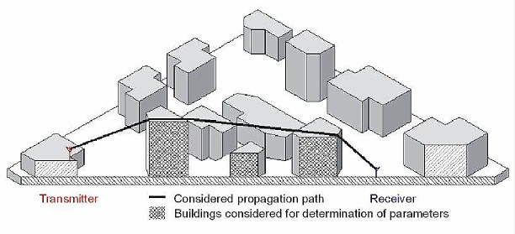

Transmitter | Unit PA P1dB @Antenna | 30.0 | 30.0 | dBm
 | Total Transmit Power | 30.0 | 30.0 | dBm
 | TX Antenna Gain | 1.5 | 1.5 | dBi
 | EIRP | 31.5 | 31.5 | dBm
 | Propagation Mode | Walfish-Ikegami | Walfish-Ikegami
 |  | LOS | Metropolitan
Channel | Path Loss, Free Space, dB | 106.85 | 95.49 | dB
 | Diffraction Loss (Rooftop Lrts), dB | 0.0 | 23.8 | dB
 | Multi-Screen Diffraction Loss, dB | 0.0 | 8.2 | dB
 | Total Path Loss | 106.8 | 127.4
RFE | RX Antenna Gain | 1.5 | 1.5 | dBi
 | Polarization Loss | 0.0 | 0.0 | dB
 | Rcvr Signal Power | -73.85 | -94.45 | dBm
 | Symbol Rate | 200.0 | 200.0 | kHz
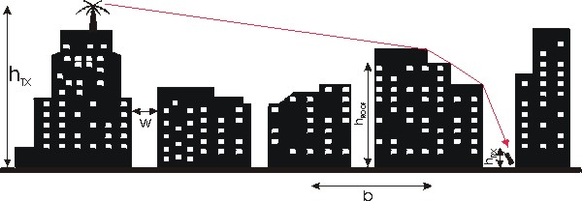
 | RX NF | 7.0 | 7.0 | dB
 | Required Eb/No | 4.5 | 4.5 | kbps
 | Fading Margin | 3.0 | 3.0 | dB
Margin | Implementation Loss | 3.0 | 3.0 | dB
 | Received Sensitivity | -103.5 | -103.5 | dB
 | Shadowing Std Dev | 8.00 | 8.00 | dB
 | Margin based on Received Power | 21.6 | 1.0 | dB

