Sample Room Setup
IEEE 802 Sample Room Setup - Mixed Mode

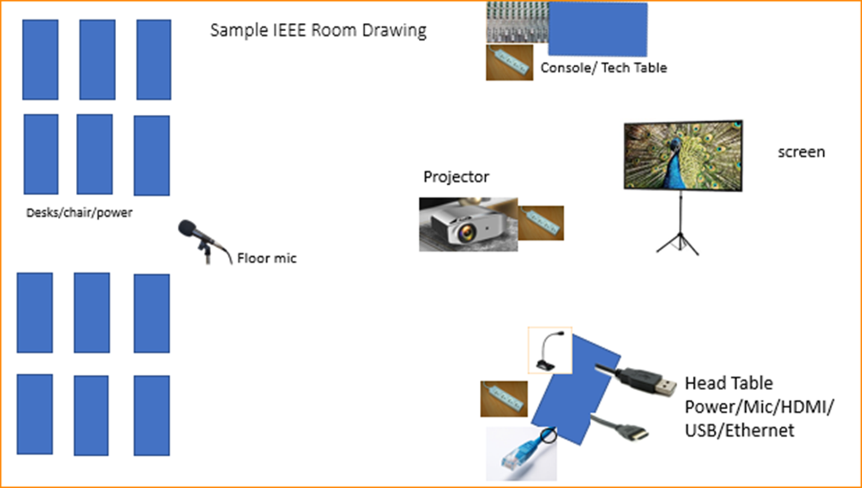

Scarlett

