Sample Room Setup
 | IEEE 802 Sample Room Setup - Mixed Mode

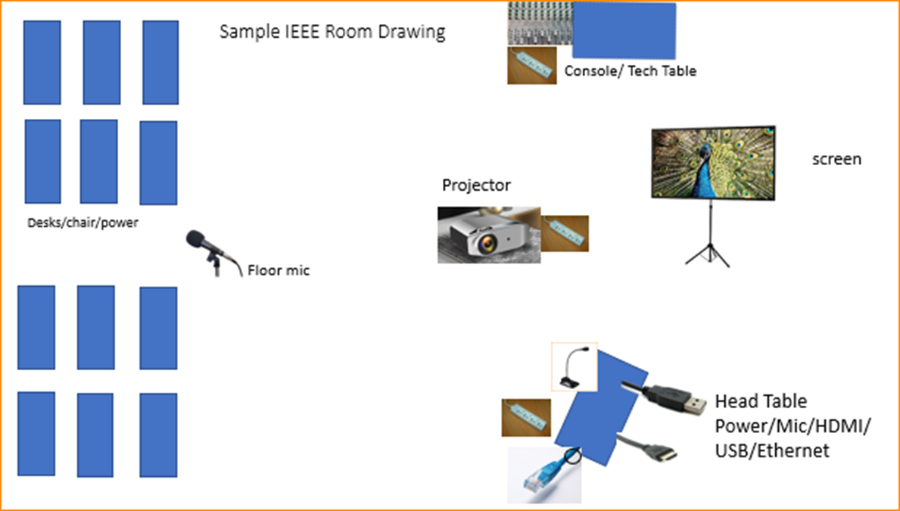
Scarlett

Connection to Scarlett Box is via 2 XLR cables to the Sound Mixer board.

